Instructions
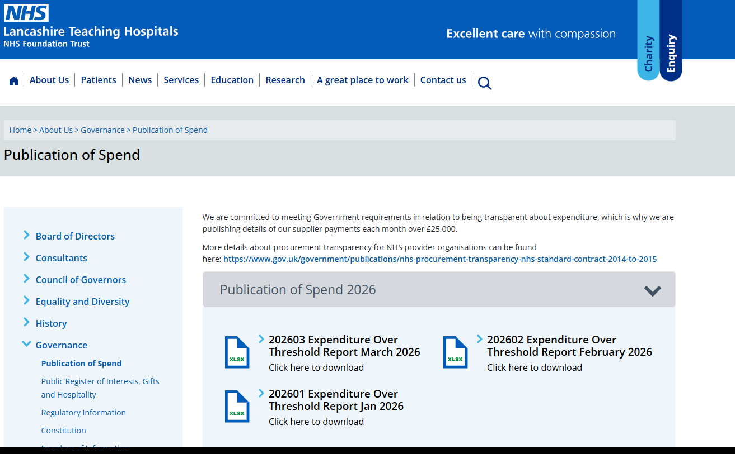
\LTH\LTHTR Finance - Documents\Financial Services\Procedure Notes\FACC108 - Publication of Spend.docx

Reason | Each file is saved on the public internet site:
 | https://www.lancsteachinghospitals.nhs.uk/publication-of-spend

 | We are committed to meeting Government requirements in relation to being transparent about expenditure, which is why we are publishing details of our supplier payments each month over £25,000.
 | More details about procurement transparency for NHS provider organisations can be found here:
 | https://www.gov.uk/government/publications/nhs-procurement-transparency-nhs-standard-contract-2014-to-2015

 | Expenditure is PI / PC invoices which have 'transacted' in the month (so not simply a Trnsaction list containng journals etc)

File Uploaded Via: | Communications Team
 | communication@LTHTR.nhs.uk
 | HIDE INSTRUCTIONS TAB BEFORE SENDING - ENSURES NOT EASILY VISABLE TO PUBLIC

Instructions | Task is completed following the closure of the calendar month e.g. earlist can run is 01-May for Apr expenditure
 | Save Excel file as a new version, naming example: 202604 Expenditure Over Threshold Report April 2026
 | Run BOXI report as per below example, with Query Filters as per between 01/mm/yyyy And 31/mm/yyyy
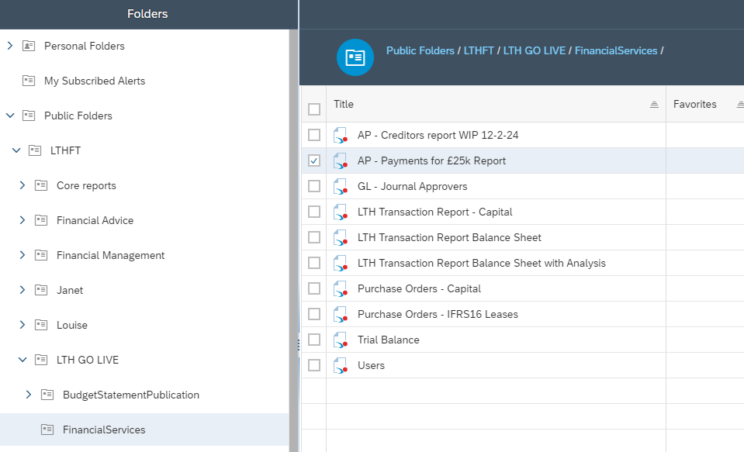

 | Export Report
 | Copy Report to new tab in Saved Excel file, and rename tab as new month
 | Delete previous month's tab
 | Hide Instructions tab
 | Save and close Excel file

 | Send file to Communications team via email

 |  | Hi Comms Team,

 |  | Please could you upload the attached files to the Publication of Spend area on the Trust’s external website ( https://www.lancsteachinghospitals.nhs.uk/publication-of-spend), and confirm once this has been done.

 |  | Spend >= 25,000

 |  | Month: Apr-26
 |  | Thanks

 | Communications team will inform via reply that complete. You can check on the website.
 | Task complete.

