Remove Required
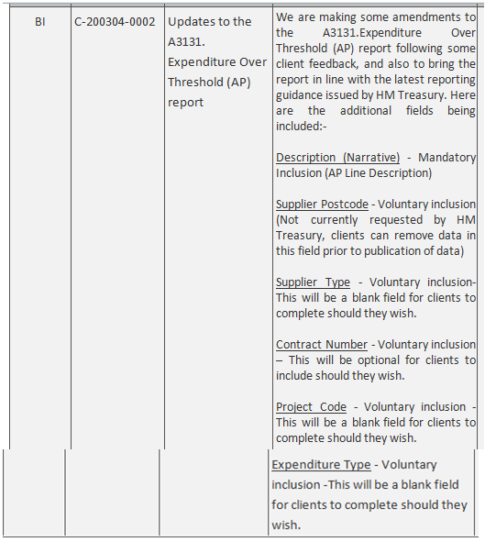
Department Family | Entity | Date | Expense Type | Expense Area | Supplier | Transaction Number | AP Amount | Description | Supplier Postcode | Supplier type | Contract Number | Project code | Expenditure type | VAT Registration Number | Purchase Invoice Number
Exclude these areas from the new report as of May-20. Voluntary, not required, and do not wish to publish.

