Remove Required
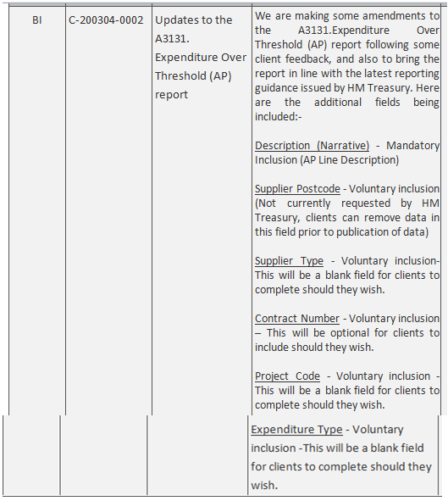
Exclude these areas from the new report as of May-20. Voluntary, not required, and do not wish to publish.

